Example 1
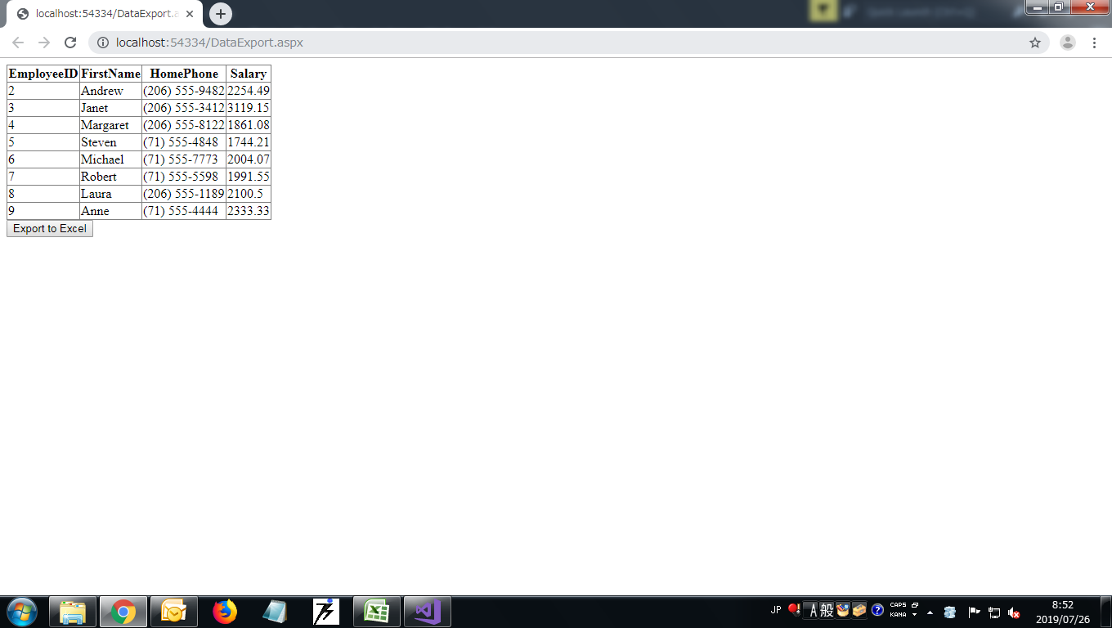
Example 1
Screen Layout

